Block Description
TCC Maintenance Depot | Building description
Block Ref | Block Use | Photo | Notes
Block1 | Maintenance Depot | 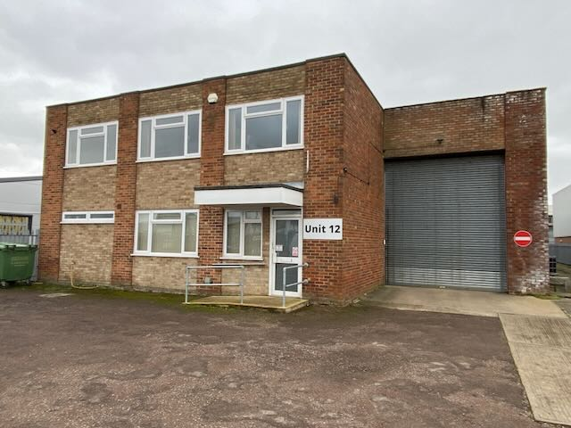 | General: The maintenance depot is a two storey structure constructed c.1960’s. The two-storey office/admin area to the front of unit is constructed of traditional brick and black cavity wall, with the rear warehouse constructed of the same nature with a supplemental assumed steel frame. The roof to the Office/admin area is flat with mineralised felt coverings, drained via internal downpipes, whilst the warehouse area is pitched with profiled cement sheet (assumed asbestos) coverings, drained via externally run metal and cement based downpipes. External windows and doors are facory finished upvc and metal double glazed units. Internal finishes comprise painted plastered masonry walls, plasterboard ceilings, and carpet, vinyl and tiled floor coverings. The internal doors are paint grade and laminated timber with painted joinery throughout. There are numerous toilet and washing facilities, with a kitchenette provided to the main office on the first floor fitted with cabinatry and sink. Services:

